ERD
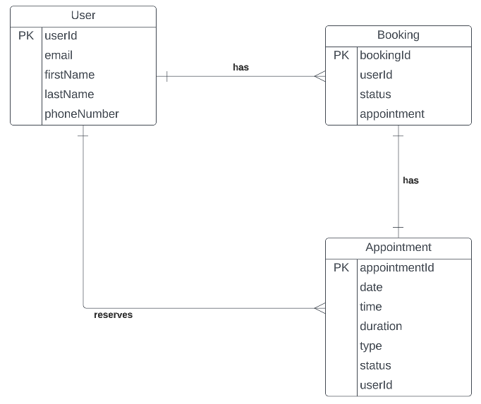
https://lucid.app/lucidchart/9af3400c-3d61-4b28-9b97-f72ffa01c3c4/edit?invitationId=inv_b063bc04-feae-4a04-aee8-ebab10018a12&page=0_0#

